Attributes
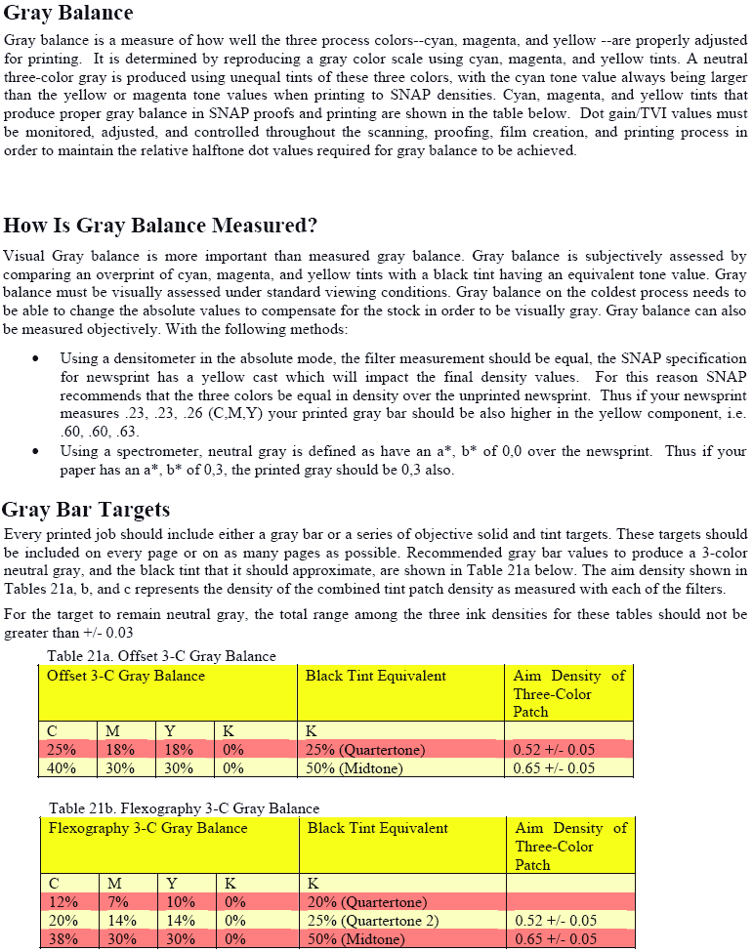
From the SNAP Cold Set Printing Standards, August 2009 version:

Newspaper
 | SNPA 2019 Print Quality Contest
 | Print Quality Evaluation Form

 | Newspaper: |  |  |  |  |  |  |  |  |  |  | City/State:

 |  |  |  |  |  |  |  |  |  |  |  |  |  |  |  |  |  |  |  |  |  |  |  | 0
 | Judge: |  |  |  |  |  |  |  |  |  |  |  |  |  | Total Color Pages: |  |  |  |  |  | Total Pages:

Categories
 | Page: | A1 | A2 | A3 | A4 | A5 | A6 | A7 | A8 | A9 | A10 | A11 | A12 | A13 | A14 | A15 | A16 | B1 | B2 | B3 | B4 | Total
1. | Black Ink Ink Density & Uniformity |  |  |  |  |  |  |  |  |  |  |  |  |  |  |  |  |  |  |  |  | 0
2. | Color Ink Ink Density & Uniformity |  |  |  |  |  |  |  |  |  |  |  |  |  |  |  |  |  |  |  |  | 0
3. | Color Registration |  |  |  |  |  |  |  |  |  |  |  |  |  |  |  |  |  |  |  |  | 0
4. | Page Alignment |  |  |  |  |  |  |  |  |  |  |  |  |  |  |  |  |  |  |  |  | 0
5. | Lithographic Defects |  |  |  |  |  |  |  |  |  |  |  |  |  |  |  |  |  |  |  |  | 0
6. | Other Defects |  |  |  |  |  |  |  |  |  |  |  |  |  |  |  |  |  |  |  |  | 0
 | Color? If so enter "Y", if not, leave blank |  |  |  |  |  |  |  |  |  |  |  |  |  |  |  |  |  |  |  |  | 0 | TOTAL DEFECTS
 |  |  |  |  |  |  |  |  |  |  |  |  |  |  |  |  |  |  |  |  |  | 0 | DEFECTS PER PAGE
Comments: |  |  |  |  |  |  |  |  |  |  |  |  |  |  |  |  |  |  |  |  | PRODUCT QUALITY RATING

ü
ü
ü
ü
ü
ü
ü
ü
ü
ü
ü
ü
ü
ü
ü
***NOTE***
INKING TOTAL
IS DOUBLED
***NOTE***
INKING TOTAL
IS DOUBLED
***NOTE***
INKING TOTAL
IS DOUBLED
***NOTE***
INKING TOTAL
IS DOUBLED
***NOTE***
INKING TOTAL
IS DOUBLED
***NOTE***
INKING TOTAL
IS DOUBLED
***NOTE***
INKING TOTAL
IS DOUBLED
***NOTE***
INKING TOTAL
IS DOUBLED
***NOTE***
INKING TOTAL
IS DOUBLED
***NOTE***
INKING TOTAL
IS DOUBLED
***NOTE***
INKING TOTAL
IS DOUBLED
***NOTE***
INKING TOTAL
IS DOUBLED
***NOTE***
INKING TOTAL
IS DOUBLED
***NOTE***
INKING TOTAL
IS DOUBLED
***NOTE***
INKING TOTAL
IS DOUBLED
Categories
Categories
Categories
Categories
Categories
Categories
Categories
Categories
Categories
Categories
Categories
Categories
Categories
Categories
Categories
¡
¡
¡
ü
ü
ü
ü
ü
ü
ü
ü
ü
ü
ü
ü
¡
¡
¡
¡
¡
¡
¡
¡
¡
¡
¡
¡
¡
¡
¡
¡
¡
¡

Categories
Categories
Categories
Categories
Categories
Categories
Categories
Categories
Categories
Categories
Categories
Categories
Categories
Categories
Categories
¡
¡
¡

